Tmin Calc
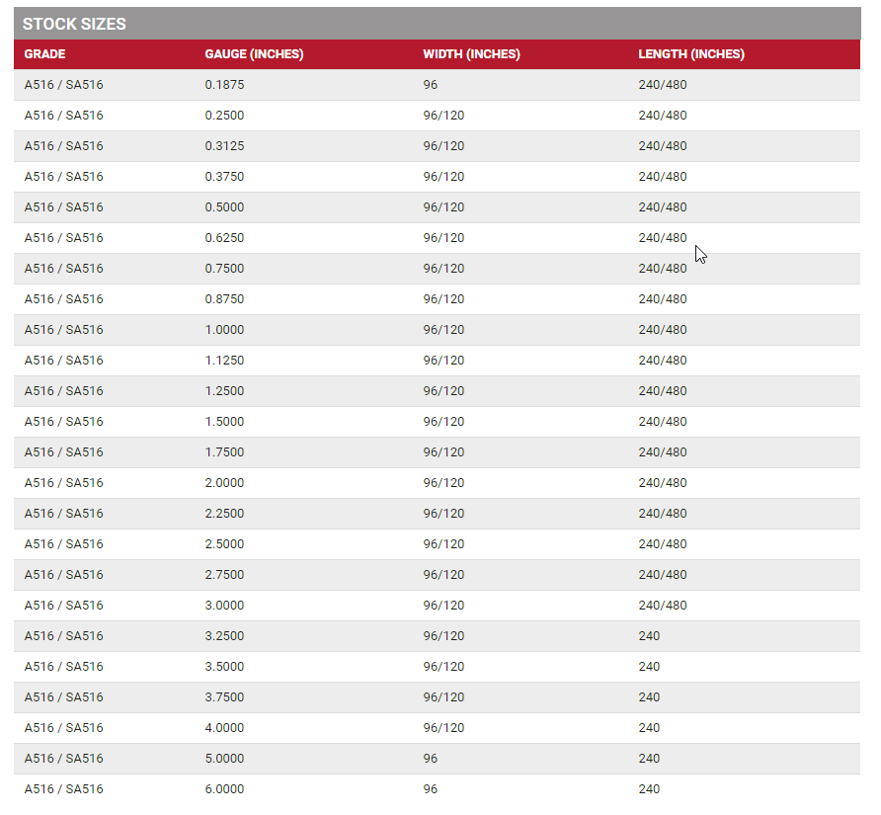
PRESSURE VESSEL INITIAL THICKNESS ESTIMATE (Cylindrical shells INSIDE DIAMETER) - ENTER DATA IN YELLOW BOXES FOR CALC'N
t= | PD/2(SE-0.6P) | Minimum Required Thickness, inches
P= | 800 | Design Pressure, psi |  | Yellow highlighted cells are hoop stress tmin inputs fot calculating t
D= | 60.0 | INSIDE Diameter of shell, inches
S= | 17500 | Maximum Allowable Stress, psi
E= | 0.70 | Joint Efficiency

t= | 2.0391 | inches, | per ASME Sect 8 UG-27(c)1 | If needed use this value for Minimum Wall Thickness/Pressure Minimum Thickness in Exercise #4.

CA= | 0.0625 | Corrosion Allowance, inches |  | The Blue highlighted cell is the user input of the Corrosion Allowance to obtain Calc Plate Size
Calc Plate Size = | 2.1016 | Calculated Plate Size, inches
Now look at the Table below and the next plate thickness up as the initial thickness.

Actual Plate Size = | 2.2500 | Calculated Plate Size, inches |  | The Green highlighted cell is the user documenting his assumption for initial thickness by using Calc Plate Size and a steel plate gauging chart like the example below and picking the next thickness size. If needed use this value for initial thickness in Exercise #1.

